Sheet1
 |  | RRP £75

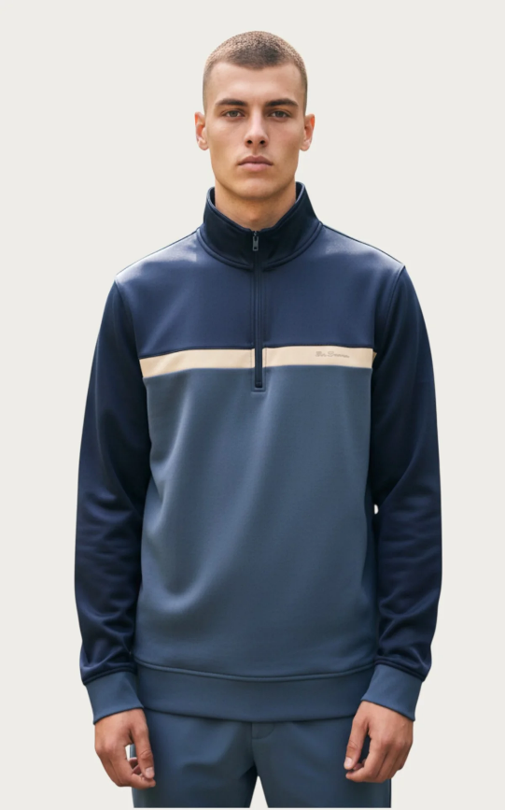
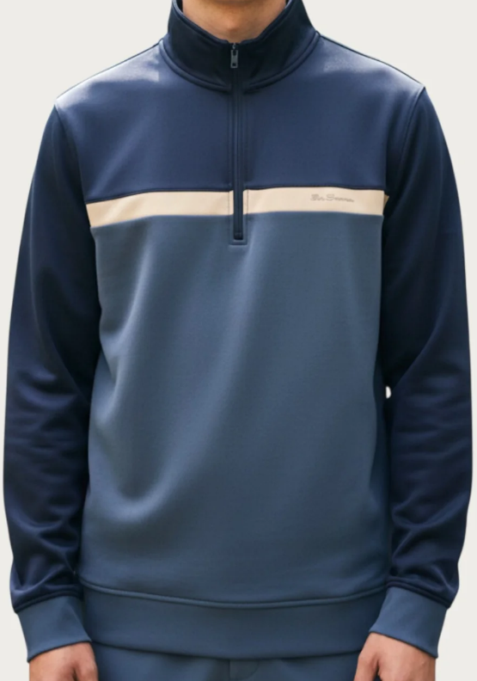
Blue Two Tone Quarter Zip Sweatshirt |  | S | M | L | XL | 2XL | TOTAL
 |  | 766 | 2271 | 3092 | 1770 | 600 | 8499
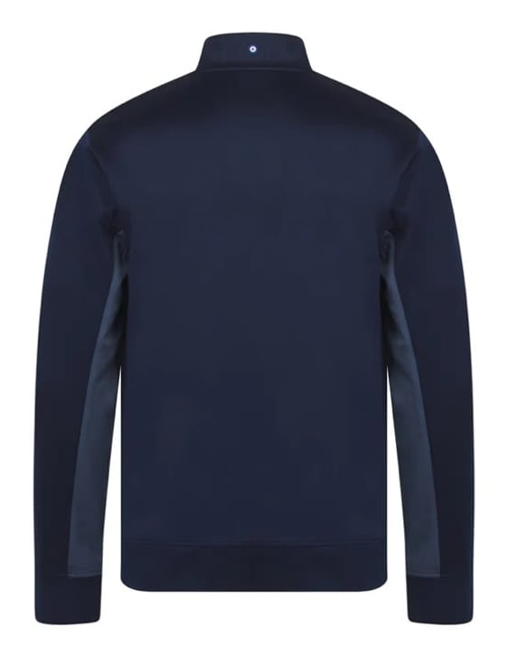

EAN
S | 198108094516
M | 198108094523
L | 198108094530
XL | 198108094547
2XL | 198108094554

S/M/L | 30ppc
XL/2XL | 28ppc

